Cover
Key Performance Indicators (KPIs) | 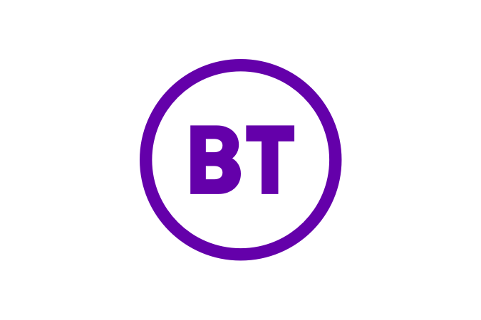
For the financial years ended 31 March 2018 and 31 March 2019 and the quarter ended 30 June 2019 (post recharge changes/Emergency Services Network transfer and post IFRS 16).
From Q1 2019/20, BT is reporting information in the format of this document as part of its quarterly financial disclosures. Results for the years ended 31 March 2018 and 31 March 2019 have therefore been prepared on a pro forma basis. These financial statements do not constitute statutory accounts within the meaning of Section 434 of the Companies Act 2006 and have not been audited or reviewed by the independent auditors.
On 1 April 2019 we adopted IFRS 16, the new accounting standard for leases. We have recognised right-of-use assets and lease liabilities for arrangements that meet the IFRS 16 lease definition. EBITDA will increase because the operating lease expense has been replaced by interest expense and depreciation. We have adopted the standard on a modified retrospective basis without restating the comparative periods.
In this document BT has presented select pro forma financial information for the period ended 31 March 2019 only to show what the impact of IFRS 16 would have been on the 2018/19 financial year. However, history for certain financial KPIs impacted by IFRS 16, for example operating profit and net debt, cannot be calculated under BT's modified retrospective approach. These lines are shown in the pro forma template for completeness but with no historical values.
For further information about the impact of the IFRS 16, including a comparison with information previously published under the IAS 17 accounting standard, please see the IFRS 16 documents published 3 July 2019.
The reporting format and values have also been updated to reflect adjustments to refine the allocation of costs across BT’s operating units; the transfer of the Emergency Services Network contract from Consumer to Enterprise; and new key performance indicators for its Global operating unit.
Disclaimer
All pro forma financial information contained in this document is unaudited. The pro forma results are presented to investors and analysts as an indication of trend only. The financial statements do not constitute statutory accounts within the meaning of Section 434 of the Companies Act 2006 and have not been audited by BT Group’s independent auditors. BT Group does not warrant the accuracy, completeness or validity of the information, figures or calculations in this document and shall not be liable in any way for any loss or damage arising out of the use of this information, or any errors or omissions in its content. Notes
Revenue categories described as 'Of which' are intended to provide greater detail about the components of larger revenue categories, but are not intended to be the sum of that category.
Please see the Glossary pages at the end of this document for details about the metrics included.
For more information please contact BT Group Investor Relations
Phone: +44 (0)207 356 4909
Email: ir@bt.com
Website: www.bt.com/ir
About BT Group
BT Group’s purpose is to use the power of communications to make a better world. It is one of the world’s leading providers of communications services and solutions, serving customers in 180 countries. Its principal activities include the provision of networked IT services globally; local, national and international telecommunications services to its customers for use at home, at work and on the move; broadband, TV and internet products and services; and converged fixed-mobile products and services.
British Telecommunications plc (BT) is a wholly-owned subsidiary of BT Group plc and encompasses virtually all businesses and assets of the BT Group. BT Group plc is listed on stock exchanges in London and New York.
BT Group plc
Registered Office: 81 Newgate Street, London, EC1A 7AJ, United Kingdom
Registered in England and Wales no. 4190816
www.btplc.com

