Cover
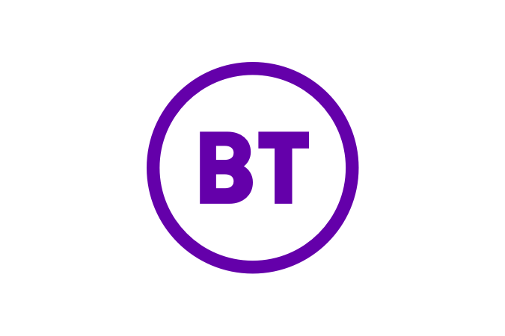
Key Performance Indicators (KPIs)
For the financial years ended 31 March 2019, 31 March 2020, and 31 March 2021.
From Q1 2020/21, BT is reporting information in the format of this document as part of its quarterly financial disclosures. Results for the years ended 31 March 2019 and 31 March 2020 have therefore been prepared on a pro forma basis. These financial statements do not constitute statutory accounts within the meaning of Section 434 of the Companies Act 2006 and have not been audited or reviewed by the independent auditors.
The pro forma financial information in these KPIs has been prepared to reflect the Group’s new reporting structure. The new structure reflects the reorganisation of Ventures in Enterprise, effective from 1 April 2020. BT will no longer retain a separate Ventures unit within Enterprise. The new structure also reflects separate revenue and volume disclosures for Openreach Single Order products, which have previously been reported in Openreach 'other' revenue. In Openreach there are also minor changes to the classification of previously reported product revenues to improve consistency of reporting.
All pro forma financial information in this document has been prepared under the IFRS 16 accounting standard. From 1 April 2019 BT adopted IFRS 16 on a modified retrospective basis. For further information about the impact of IFRS 16, including a comparison with information previously published under the IAS 17 accounting standard, please see pro forma document published on 3 July 2019.
Notes
Revenue categories described as 'Of which' are intended to provide greater detail about the components of larger revenue categories, but are not intended to be the sum of that category.
Please see the Glossary pages at the end of this document for details about the metrics included.
Disclaimer
All pro forma financial information contained in this document is unaudited. The pro forma results are presented to investors and analysts as an indication of trend only. The financial statements do not constitute statutory accounts within the meaning of Section 434 of the Companies Act 2006 and have not been audited by BT Group’s independent auditors. BT Group does not warrant the accuracy, completeness or validity of the information, figures or calculations in this document and shall not be liable in any way for any loss or damage arising out of the use of this information, or any errors or omissions in its content. For more information please contact BT Group Investor Relations
Phone: +44 (0)207 356 4909
Email: ir@bt.com
Website: www.bt.com/ir
About BT Group
BT’s purpose is to use the power of communications to make a better world. It is one of the world’s leading providers of communications services and solutions, serving customers in 180 countries. Its principal activities include the provision of networked IT services globally; local, national and international telecommunications services to its customers for use at home, at work and on the move; broadband, TV and internet products and services; and converged fixed-mobile products and services. BT consists of four customer-facing units: Consumer, Enterprise, Global and Openreach.
For the year ended 31 March 2021, BT Group’s reported revenue was £21,331m with reported profit before taxation of £1,804m.
British Telecommunications plc (BT) is a wholly-owned subsidiary of BT Group plc and encompasses virtually all businesses and assets of the BT Group. BT Group plc is listed on the London stock exchange.
BT Group plc
Registered Office: 81 Newgate Street, London, EC1A 7AJ, United Kingdom
Registered in England and Wales no. 4190816
www.btplc.com

